Picture
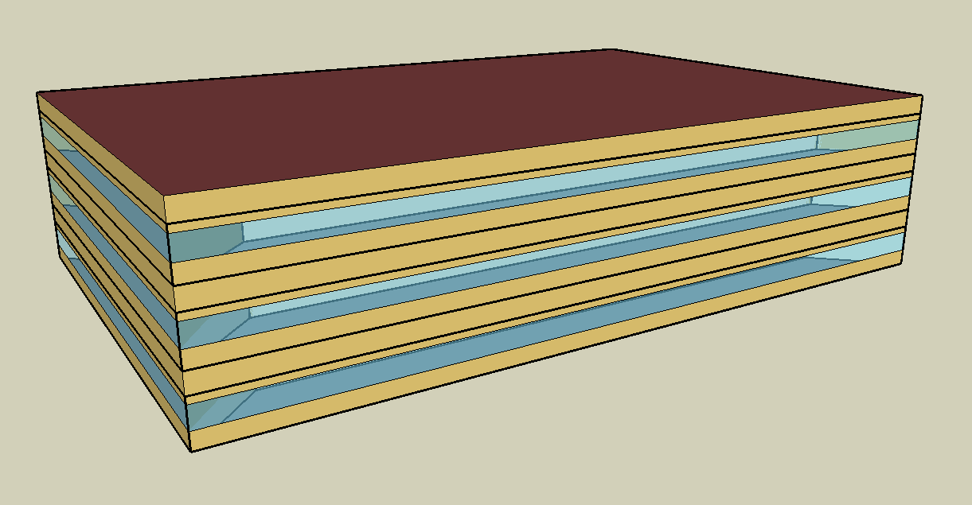
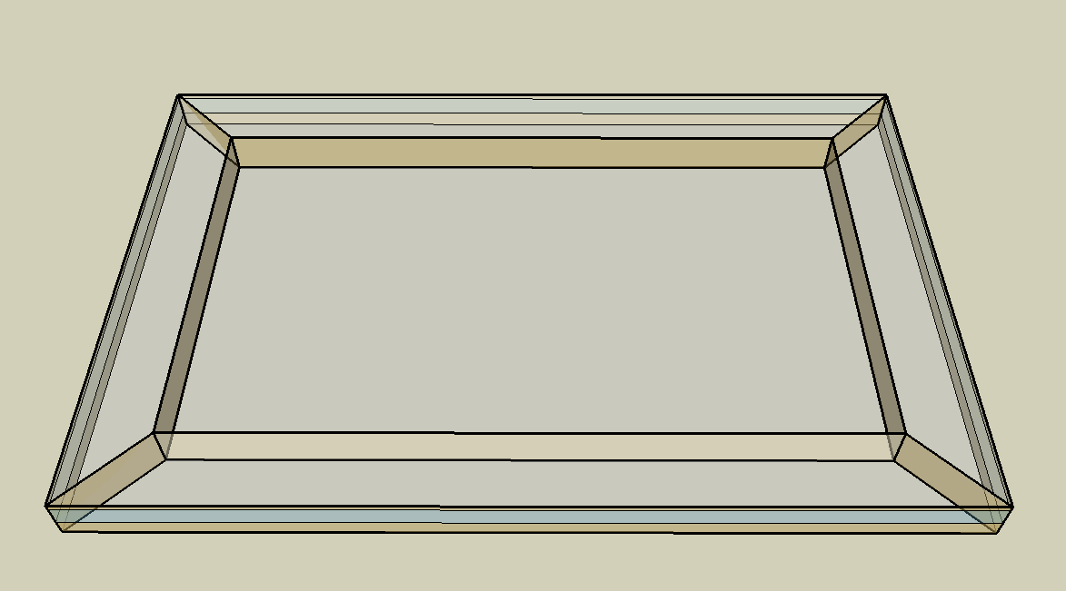
DOE Commercial Building Benchmark - Medium Office

Electricity
 | Cooling | Interior Lighting | Exterior Lighting | Interior Equipment | Fans | Pumps
Miami | 311,869.44 | 240,936.11 | 9,525.00 | 223,900.00 | 192,747.22 | 75.00
Houston | 239,219.44 | 240,936.11 | 9,519.44 | 223,900.00 | 203,413.89 | 75.00
Phoenix | 255,547.22 | 240,936.11 | 9,519.44 | 223,900.00 | 229,622.22 | 75.00
Atlanta | 167,269.44 | 240,936.11 | 9,516.67 | 223,900.00 | 215,511.11 | 75.00
Los Angeles | 55,822.22 | 240,936.11 | 9,511.11 | 223,900.00 | 174,688.89 | 75.00
Las Vegas | 175,313.89 | 240,936.11 | 9,508.33 | 223,900.00 | 226,144.44 | 75.00
San Francisco | 20,880.56 | 240,936.11 | 9,513.89 | 223,900.00 | 158,986.11 | 75.00
Baltimore | 126,688.89 | 240,936.11 | 9,508.33 | 223,900.00 | 208,988.89 | 75.00
Albuquerque | 89,033.33 | 240,936.11 | 9,511.11 | 223,900.00 | 222,372.22 | 75.00
Seattle | 19,883.33 | 240,936.11 | 9,491.67 | 223,900.00 | 199,677.78 | 75.00
Chicago | 74,519.44 | 240,936.11 | 9,508.33 | 223,900.00 | 195,725.00 | 75.00
Boulder | 51,422.22 | 240,936.11 | 9,502.78 | 223,900.00 | 202,830.56 | 75.00
Minneapolis | 64,986.11 | 240,936.11 | 9,502.78 | 223,900.00 | 206,158.33 | 75.00
Helena | 29,811.11 | 240,936.11 | 9,500.00 | 223,900.00 | 196,880.56 | 75.00
Duluth | 29,008.33 | 240,936.11 | 9,494.44 | 223,900.00 | 207,936.11 | 75.00
Fairbanks | 18,622.22 | 240,936.11 | 9,436.11 | 223,900.00 | 242,441.67 | 75.00

Gas
 | Heating | Water Systems
Miami | 4,580.00 | 27,740.00
Houston | 136,870.00 | 31,670.00
Phoenix | 69,570.00 | 29,400.00
Atlanta | 335,300.00 | 35,470.00
Los Angeles | 41,110.00 | 34,740.00
Las Vegas | 139,050.00 | 32,130.00
San Francisco | 180,270.00 | 37,990.00
Baltimore | 665,480.00 | 38,460.00
Albuquerque | 379,720.00 | 37,890.00
Seattle | 529,770.00 | 40,020.00
Chicago | 949,730.00 | 41,080.00
Boulder | 636,120.00 | 40,940.00
Minneapolis | 1,425,630.00 | 43,340.00
Helena | 1,098,480.00 | 43,750.00
Duluth | 1,836,630.00 | 47,080.00
Fairbanks | 3,516,600.00 | 51,600.00

EUI
 | Cooling (elec) | Interior Lighting (elec) | Exterior Lighting (elec) | Interior Equipment (elec) | Fans (elec) | Pumps (elec) | Heating (gas) | Water Systems (gas)
Miami | 225.35 | 174.09 | 6.88 | 161.78 | 139.27 | 0.05 | 0.92 | 5.57
Houston | 172.85 | 174.09 | 6.88 | 161.78 | 146.98 | 0.05 | 27.47 | 6.36
Phoenix | 184.65 | 174.09 | 6.88 | 161.78 | 165.92 | 0.05 | 13.96 | 5.90
Atlanta | 120.86 | 174.09 | 6.88 | 161.78 | 155.72 | 0.05 | 67.30 | 7.12
Los Angeles | 40.34 | 174.09 | 6.87 | 161.78 | 126.23 | 0.05 | 8.25 | 6.97
Las Vegas | 126.68 | 174.09 | 6.87 | 161.78 | 163.41 | 0.05 | 27.91 | 6.45
San Francisco | 15.09 | 174.09 | 6.87 | 161.78 | 114.88 | 0.05 | 36.18 | 7.63
Baltimore | 91.54 | 174.09 | 6.87 | 161.78 | 151.01 | 0.05 | 133.57 | 7.72
Albuquerque | 64.33 | 174.09 | 6.87 | 161.78 | 160.68 | 0.05 | 76.22 | 7.61
Seattle | 14.37 | 174.09 | 6.86 | 161.78 | 144.28 | 0.05 | 106.33 | 8.03
Chicago | 53.85 | 174.09 | 6.87 | 161.78 | 141.43 | 0.05 | 190.63 | 8.25
Boulder | 37.16 | 174.09 | 6.87 | 161.78 | 146.56 | 0.05 | 127.68 | 8.22
Minneapolis | 46.96 | 174.09 | 6.87 | 161.78 | 148.96 | 0.05 | 286.15 | 8.70
Helena | 21.54 | 174.09 | 6.86 | 161.78 | 142.26 | 0.05 | 220.48 | 8.78
Duluth | 20.96 | 174.09 | 6.86 | 161.78 | 150.25 | 0.05 | 368.64 | 9.45
Fairbanks | 13.46 | 174.09 | 6.82 | 161.78 | 175.18 | 0.05 | 705.83 | 10.36

Water
 | Total Building | Water for Electricity (m3)
Miami | 174.59 | 518.66
Houston | 174.59 | 1,492.17
Phoenix | 174.59 | 28,504.30
Atlanta | 174.59 | 5,352.07
Los Angeles | 174.59 | 12,377.00
Las Vegas | 174.59 | 24,028.80
San Francisco | 174.59 | 11,487.90
Baltimore | 174.59 | 183.92
Albuquerque | 174.59 | 3,568.27
Seattle | 174.59 | 7,090.09
Chicago | 174.59 | 1,155.30
Boulder | 174.59 | 3,308.72
Minneapolis | 174.59 | 1,156.69
Helena | 174.59 | 44,410.50
Duluth | 174.59 | 1,103.61
Fairbanks | 174.59 | 751.35

Carbon
 | Carbon Equivalent (kg)
Miami | 269,087.31
Houston | 308,935.50
Phoenix | 291,463.79
Atlanta | 270,737.65
Los Angeles | 83,749.91
Las Vegas | 298,497.58
San Francisco | 80,400.13
Baltimore | 231,302.37
Albuquerque | 328,538.49
Seattle | 60,819.02
Chicago | 414,883.35
Boulder | 309,867.71
Minneapolis | 281,688.41
Helena | 276,805.55
Duluth | 277,457.68
Fairbanks | 271,278.78

LghtSch
Lighting Schedules
 | WD | Sat | Sun, Hol, Other
 | 0.05 | 0.05 | 0.05
 | 0.05 | 0.05 | 0.05
 | 0.05 | 0.05 | 0.05
 | 0.05 | 0.05 | 0.05
 | 0.05 | 0.05 | 0.05
 | 0.1 | 0.05 | 0.05
 | 0.1 | 0.1 | 0.05
 | 0.3 | 0.1 | 0.05
 | 0.9 | 0.3 | 0.05
 | 0.9 | 0.3 | 0.05
 | 0.9 | 0.3 | 0.05
 | 0.9 | 0.3 | 0.05
 | 0.9 | 0.15 | 0.05
 | 0.9 | 0.15 | 0.05
 | 0.9 | 0.15 | 0.05
 | 0.9 | 0.15 | 0.05
 | 0.9 | 0.15 | 0.05
 | 0.5 | 0.05 | 0.05
 | 0.3 | 0.05 | 0.05
 | 0.3 | 0.05 | 0.05
 | 0.2 | 0.05 | 0.05
 | 0.2 | 0.05 | 0.05
 | 0.1 | 0.05 | 0.05
 | 0.05 | 0.05 | 0.05

EqpSch
Equipment Schedules
 | WD | Sat | Sun, Hol, Other
 | 0 | 0 | 0
 | 0 | 0 | 0
 | 0 | 0 | 0
 | 0 | 0 | 0
 | 0 | 0 | 0
 | 0 | 0 | 0
 | 0.1 | 0.1 | 0
 | 0.2 | 0.1 | 0
 | 0.95 | 0.3 | 0
 | 0.95 | 0.3 | 0
 | 0.95 | 0.3 | 0
 | 0.95 | 0.3 | 0
 | 0.5 | 0.1 | 0
 | 0.95 | 0.1 | 0
 | 0.95 | 0.1 | 0
 | 0.95 | 0.1 | 0
 | 0.95 | 0.1 | 0
 | 0.3 | 0 | 0
 | 0.1 | 0 | 0
 | 0.1 | 0 | 0
 | 0.05 | 0 | 0
 | 0.05 | 0 | 0
 | 0.05 | 0 | 0
 | 0.05 | 0 | 0

OccSch
Occupancy Schedules
 | WD | Sat | Sun, Hol, Other
 | 0 | 0 | 0
 | 0 | 0 | 0
 | 0 | 0 | 0
 | 0 | 0 | 0
 | 0 | 0 | 0
 | 0 | 0 | 0
 | 0.1 | 0.1 | 0
 | 0.2 | 0.1 | 0
 | 0.95 | 0.3 | 0
 | 0.95 | 0.3 | 0
 | 0.95 | 0.3 | 0
 | 0.95 | 0.3 | 0
 | 0.5 | 0.1 | 0
 | 0.95 | 0.1 | 0
 | 0.95 | 0.1 | 0
 | 0.95 | 0.1 | 0
 | 0.95 | 0.1 | 0
 | 0.3 | 0 | 0
 | 0.1 | 0 | 0
 | 0.1 | 0 | 0
 | 0.05 | 0 | 0
 | 0.05 | 0 | 0
 | 0.05 | 0 | 0
 | 0.05 | 0 | 0

HeatSch
Heating Set Point Schedules
 | SummerDesign | Sat | Sun, Hol, Other
 | 15.6 | 15.6 | 15.6
 | 15.6 | 15.6 | 15.6
 | 15.6 | 15.6 | 15.6
 | 15.6 | 15.6 | 15.6
 | 15.6 | 15.6 | 15.6
 | 15.6 | 15.6 | 15.6
 | 15.6 | 21 | 15.6
 | 15.6 | 21 | 15.6
 | 15.6 | 21 | 15.6
 | 15.6 | 21 | 15.6
 | 15.6 | 21 | 15.6
 | 15.6 | 21 | 15.6
 | 15.6 | 21 | 15.6
 | 15.6 | 21 | 15.6
 | 15.6 | 21 | 15.6
 | 15.6 | 21 | 15.6
 | 15.6 | 21 | 15.6
 | 15.6 | 15.6 | 15.6
 | 15.6 | 15.6 | 15.6
 | 15.6 | 15.6 | 15.6
 | 15.6 | 15.6 | 15.6
 | 15.6 | 15.6 | 15.6
 | 15.6 | 15.6 | 15.6
 | 15.6 | 15.6 | 15.6

CoolSch
Cooling Set Point Schedules
 | WD, SummerDesign | Sat | Sun, Hol, Other
 | 30 | 30 | 30
 | 30 | 30 | 30
 | 30 | 30 | 30
 | 30 | 30 | 30
 | 30 | 30 | 30
 | 30 | 30 | 30
 | 24 | 24 | 30
 | 24 | 24 | 30
 | 24 | 24 | 30
 | 24 | 24 | 30
 | 24 | 24 | 30
 | 24 | 24 | 30
 | 24 | 24 | 30
 | 24 | 24 | 30
 | 24 | 24 | 30
 | 24 | 24 | 30
 | 24 | 24 | 30
 | 24 | 24 | 30
 | 24 | 30 | 30
 | 24 | 30 | 30
 | 24 | 30 | 30
 | 24 | 30 | 30
 | 30 | 30 | 30
 | 30 | 30 | 30

